Laser engine BOM
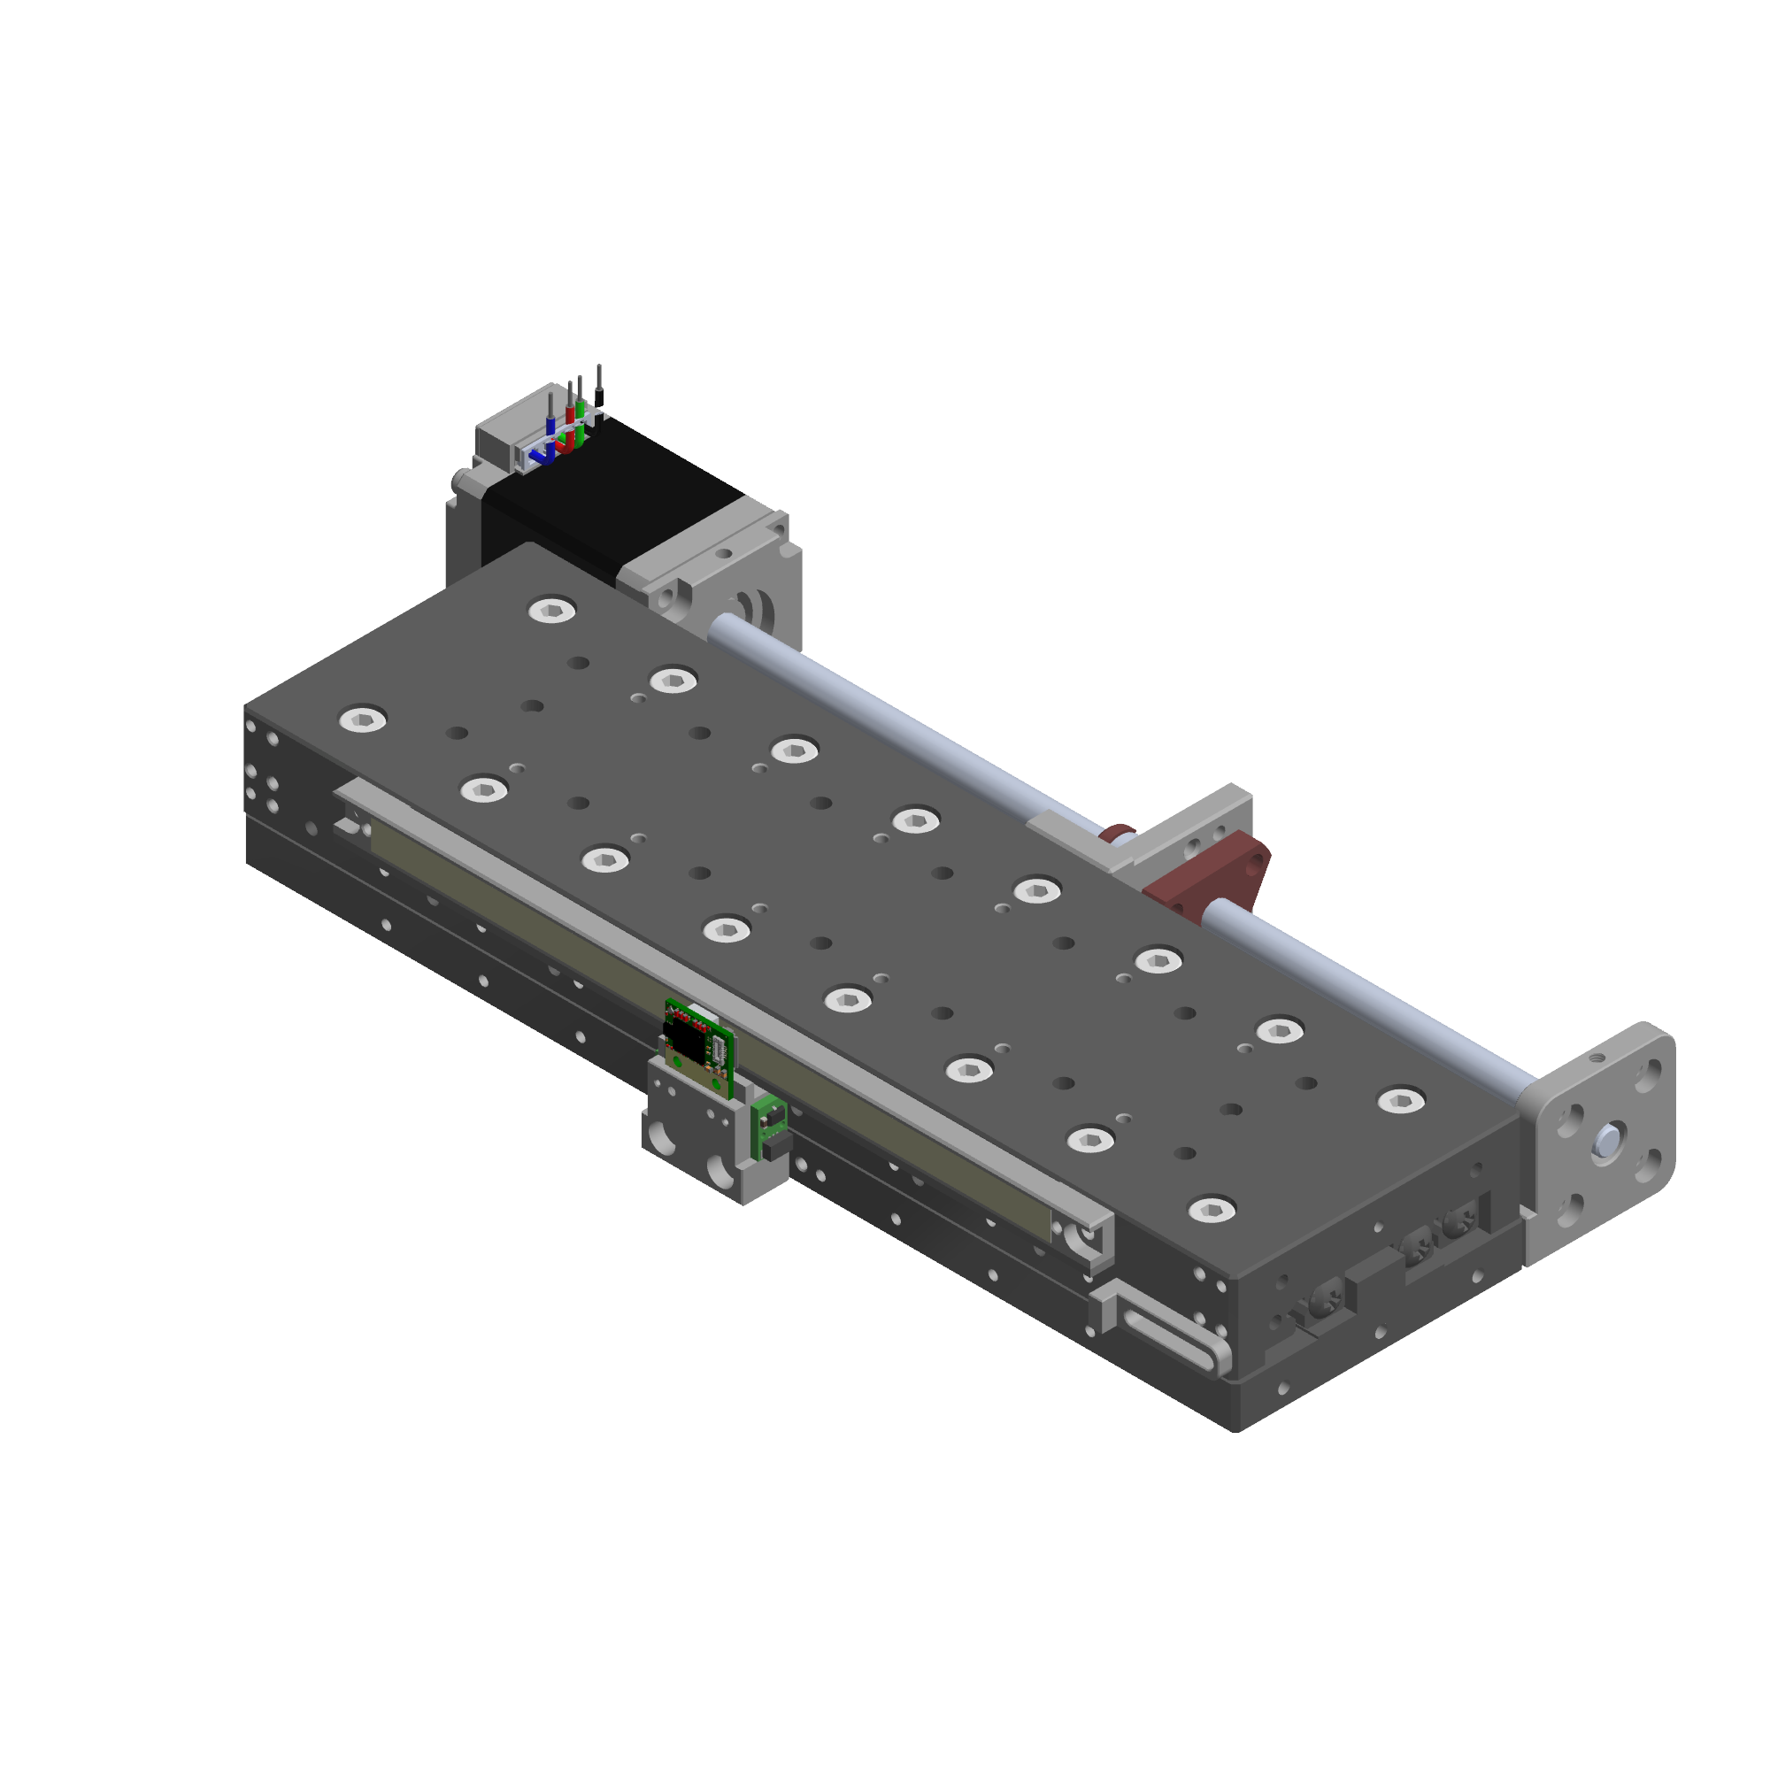
# | Description | Vendor | Part Number / File for CNC machining | Qty | Unit Price | Vendor Contact | Image Reference
 | 130 mm travel motorized cross roller stage - single axis, bare minimum
 | SELN VRU3-205 stage, modified | dg-sl | SELN-VRU3-205-02 (based on http://www.dg-sl.com/plus/view.php?aid=143) | 1 | $100.00
 | PBC linear motorized lead screw | PBCLinear | https://theconfig.com/07895591C3 | 1 | $162.40
 | VRU3 motor mount | XTJ-tech | see custom machined parts folder | 1 | $20.00
 | VRU3 nut mount | XTJ-tech | see custom machined parts folder | 1 | $15.00
 | VRU3 bearing mount | XTJ-tech | see custom machined parts folder | 1 | $20.00
 | iglide® L280, sleeve bearing for fast rotating applications | Igus | https://www.igus.com/product/7?artNr=LSM-0507-05 | 1 | $1.45
 | Total: $318.85

 | XY stage with kinematic mounted plate holder
 | SELN VRU3-205 stage, modified | dg-sl | see custom machined parts folder | 2 | $100.00 |  | 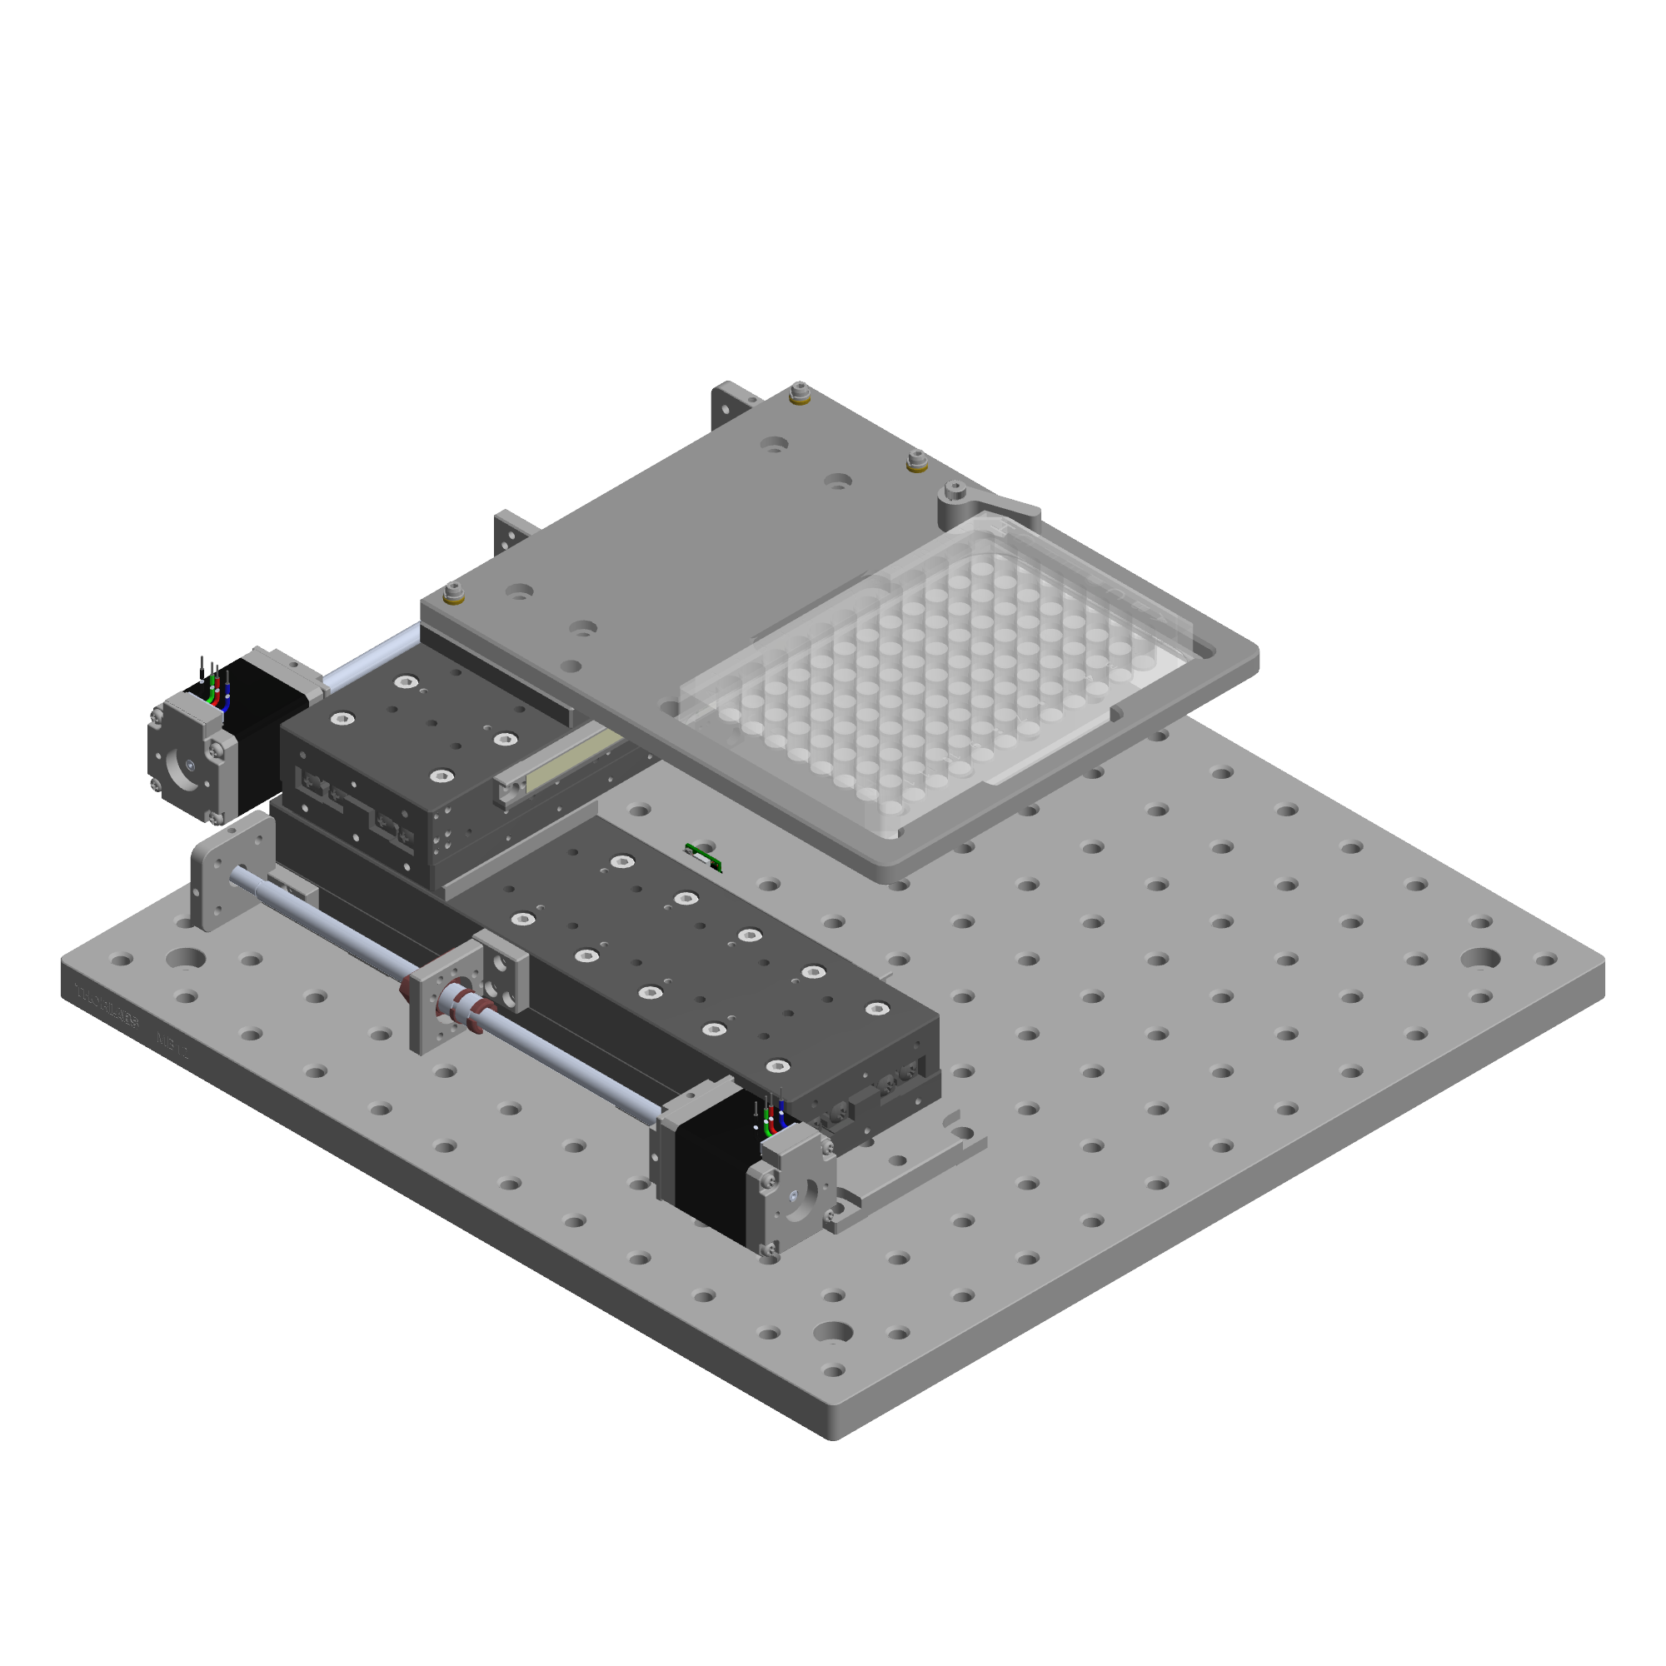
 | PBC linear motorized lead screw | PBCLinear | https://theconfig.com/07895591C3 | 2 | $162.40
 | VRU3 motor mount | XTJ-tech | see custom machined parts folder | 2 | $20.00
 | VRU3 nut mount | XTJ-tech | see custom machined parts folder | 2 | $15.00
 | VRU3 bearing mount | XTJ-tech | see custom machined parts folder | 2 | $20.00
 | iglide® L280, sleeve bearing for fast rotating applications | Igus | https://www.igus.com/product/7?artNr=LSM-0507-05 | 1 | $1.45
 | limit switch magnet mount | XTJ-tech | see custom machined parts folder | 4 | $10.00
 | limit switch mount | XTJ-tech | see custom machined parts folder | 2 | $20.00
 | VRU3 base | XTJ-tech | see custom machined parts folder | 2 | $25.00
 | XY adapting plate | XTJ-tech | see custom machined parts folder | 1 | $15.00
 | well plate holder (MIC-6 Al) | XTJ-tech | see custom machined parts folder | 1 | $50.00
 | well plate holder base | XTJ-tech | see custom machined parts folder | 1 | $25.00
 | well plate clamp | XTJ-tech | see custom machined parts folder | 1 | $10.00
 | custom torsion spring | XTJ-tech | see custom machined parts folder | 1 | $1.50
 | sapphire contact pad | Thorlabs | https://www.thorlabs.com/thorproduct.cfm?partnumber=P25SK2 | 1 | $7.09
 | Threaded Bushing | Thorlabs | https://www.thorlabs.com/thorproduct.cfm?partnumber=N100B2P | 3 | $4.96
 | F19SS050 Adjusters | Thorlabs | https://www.thorlabs.com/thorproduct.cfm?partnumber=F19SS050 | 3 | $4.69
 | Locking Collar | Thorlabs | https://www.thorlabs.com/thorproduct.cfm?partnumber=F19SC1 | 3 | $5.51
 | Total: $920.32

 | Optional or magnetic linear encoders and scales
 | RLC2IC magnetic increamental encoder + scale, 0.244 um resolution | RLS | https://www.rls.si/eng/rlc2ic-miniature-linear-and-rotary-pcb-level-incremental-magnetic-encoder?partNumbers=RLC2ICA13BB00A00%2CMS05BM156AM078 | 1 | $103.10
 | Optira™ Series – PI optical encoder, down to 5 nm resolution | Celera Motion | https://www.celeramotion.com/microe/products/linear-encoders/nano/optira-series-pi/ | 1 | RFQ
 | MS 15 optical encoder, down to 50 nm resolution | RSF | https://www.rsf.at/en/products/length-measurement/exposed-models/ms15/ | 1 | RFQ

